THE ACTUAL FSN
RETIREMENT |  | CHILD 1 FUTURE PLANNING |  |  |  |  |  |  |  |  |  |  | CHILD 2 FUTURE PLANNING |  |  |  |  |  |  |  |  |  |  | CHILD 3 FUTURE PLANNING |  |  |  |  |  |  |  |  |  |  | HOUSE |  |  | CAR |  |  | VACATION |  |  | STARTUP PLAN

RETIREMENT OF MR & MRS | 0 | PLANNING FOR GRADUATION OF |  |  | PLANNING FOR PG OF | 0 |  |  | PLANNING FOR WEDDING OF | 0 |  |  | PLANNING FOR EDUCATION OF |  |  | PLANNING FOR EDUCATION OF | 0 |  |  | PLANNING FOR WEDDING OF | 0 |  |  | PLANNING FOR EDUCATION OF |  |  | PLANNING FOR EDUCATION OF | 0 |  |  | PLANNING FOR WEDDING OF | 0 |  |  | DREAM |  |  | DREAM |  |  | TRIP TO |  |  | THE STARTUP

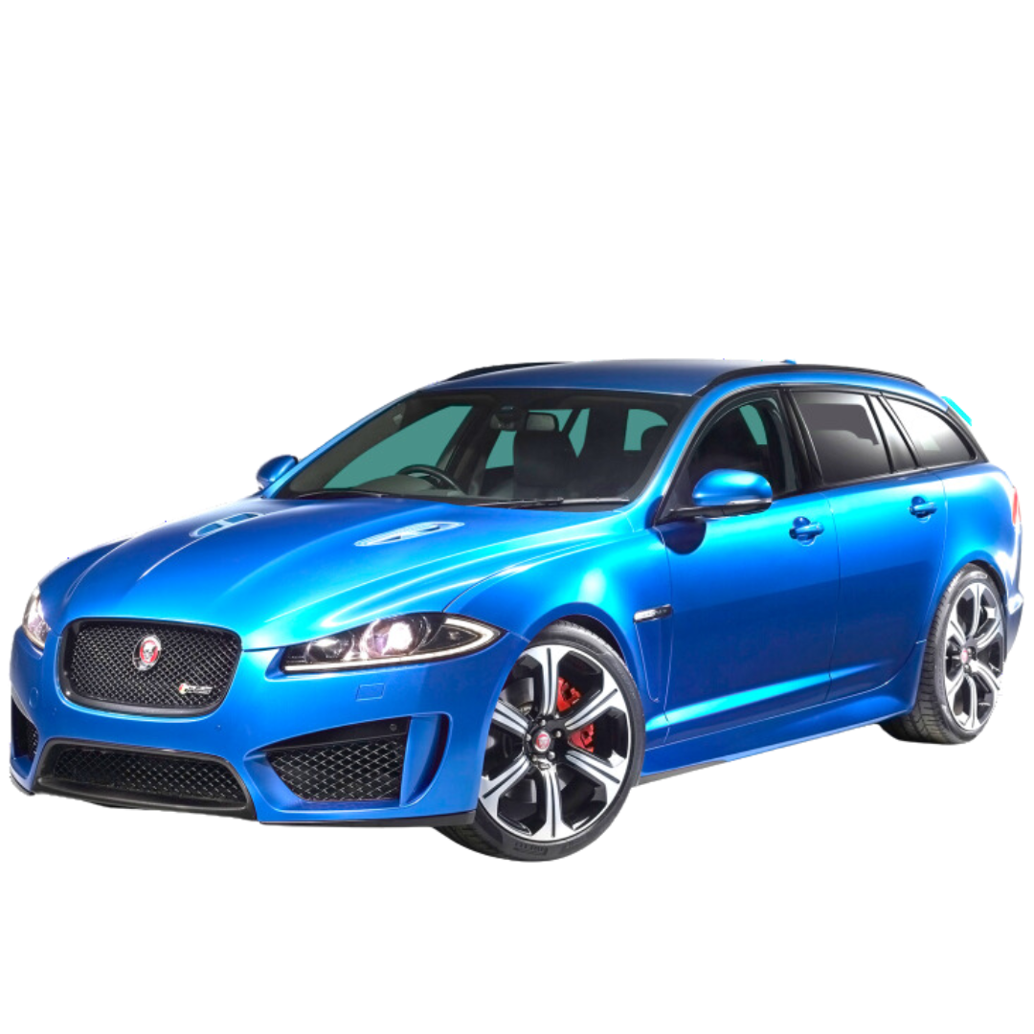
PRESENT AGE | 0 | PRESENT CHILD AGE |  | YEARS | PRESENT CHILD AGE |  | 0 | YEARS | PRESENT CHILD AGE |  | 0 | YEARS | PRESENT CHILD AGE |  | YEARS | PRESENT CHILD AGE |  | 0 | YEARS | PRESENT CHILD AGE |  | 0 | YEARS | PRESENT CHILD AGE |  | YEARS | PRESENT CHILD AGE |  | 0 | YEARS | PRESENT CHILD AGE |  | 0 | YEARS | PRESENT CHILD AGE |  | YEARS | PRESENT CHILD AGE |  | YEARS | PRESENT CHILD AGE |  | YEARS | PRESENT CHILD AGE |  | YEARS
WISH TO DELAY RETIREMENT TILL AGE | 0 | CURRENT COST OF THE EDUCATION |  |  | CURRENT COST OF THE EDUCATION |  |  |  | CURRENT COST OF WEDDING |  |  |  | CURRENT COST OF THE EDUCATION |  |  | CURRENT COST OF THE EDUCATION |  |  |  | CURRENT COST OF THE WEDDING |  |  |  | CURRENT COST OF THE EDUCATION |  |  | CURRENT COST OF THE EDUCATION |  |  |  | CURRENT COST OF THE WEDDING |  |  |  | CURRENT COST OF YOUR DREAM HOUSE |  |  | CURRENT COST OF YOUR DREAM CAR |  |  | CURRENT COST OF THE TRIP |  |  | CURRENT COST OF THE SET UP
LIFE EXPECTANCY | 100 |  |  |  |  |  |  |  |  |  |  |  |  |  |  |  |  |  |  |  |  |  |  |  |  |  |  |  |  |  |  |  |  |  |  |  |  |  |  |  | EXPECTED INFLATION OF THE TOTAL TOUR
PRESENT EXPENSES | ₹0 | EXPECTED INFLATION |  |  | EXPECTED INFLATION |  | 0% |  | EXPECTED INFLATION |  |  |  | EXPECTED INFLATION |  |  | EXPECTED INFLATION |  | 0% |  | EXPECTED INFLATION |  |  |  | EXPECTED INFLATION |  |  | EXPECTED INFLATION |  | 0% |  | EXPECTED INFLATION |  |  |  | EXPECTED INFLATION OF PROPERTY |  |  | EXPECTED INFLATION OF VEHICLE |  |  | HOW OFTEN YOU WISH TO TRAVEL |  | YEARS | EXPECTED INFLATION TO SET UP
EXPECTED INFLATION | 6% | AGE OF THE CHILD @ THE GOAL |  | YEARS | AGE OF THE CHILD @ THE GOAL |  |  | YEARS | AGE OF THE CHILD @ THE GOAL |  |  | YEARS | AGE OF THE CHILD @ THE GOAL |  | YEARS | AGE OF THE CHILD @ THE GOAL |  |  | YEARS | AGE OF THE CHILD @ THE GOAL |  |  | YEARS | AGE OF THE CHILD @ THE GOAL |  | YEARS | AGE OF THE CHILD @ THE GOAL |  |  | YEARS | AGE OF THE CHILD @ THE GOAL |  |  | YEARS | TIME LEFT TO BUY THE HOUSE |  | YEARS | TIME LEFT TO BUY THE CAR |  | YEARS | TILL WHAT AGE YOU WISH TO TRAVEL |  | YEARS | TIME LEFT TO SET UP THE BUSINESS |  | YEARS

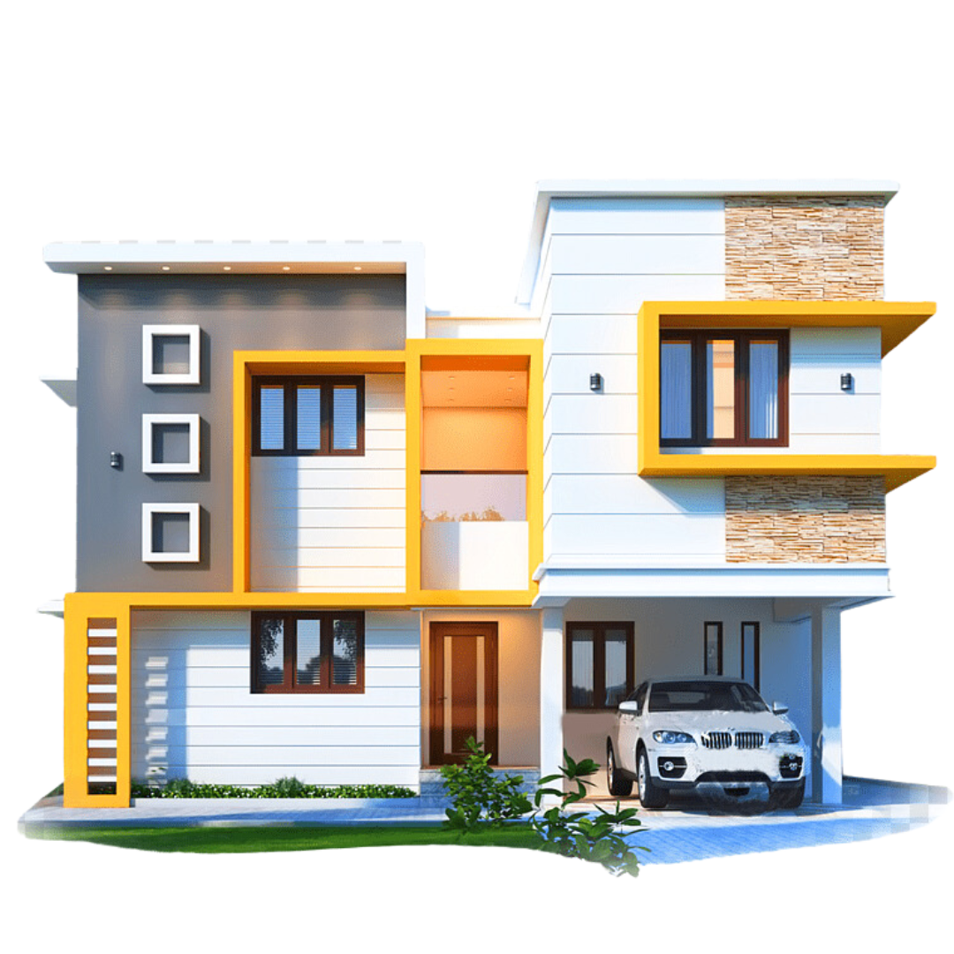

YEARS LEFT TO RETIRE | 0 | CORPUS REQUIRED TO MEET THE GOAL | ₹0.00 |  | CORPUS REQUIRED TO MEET THE GOAL |  | ₹0.00 |  | CORPUS REQUIRED TO MEET THE GOAL |  | ₹0.00 |  | CORPUS REQUIRED TO MEET THE GOAL | ₹0.00 |  | CORPUS REQUIRED TO MEET THE GOAL |  | ₹0.00 |  | CORPUS REQUIRED TO MEET THE GOAL |  | ₹0.00 |  | CORPUS REQUIRED TO MEET THE GOAL | ₹0.00 |  | CORPUS REQUIRED TO MEET THE GOAL |  | ₹0.00 |  | CORPUS REQUIRED TO MEET THE GOAL |  | ₹0.00 |  | CORPUS REQUIRED TO MEET THE GOAL | ₹0.00 |  | CORPUS REQUIRED TO MEET THE GOAL | ₹0.00 |  | INFLATED COST OF THE TRIP | ₹0.00 |  | CORPUS REQUIRED TO MEET THE GOAL | ₹0.00


EXPENSES AT RETIREMENT AGE | ₹0.00

 |  |  |  |  |  |  |  |  |  |  |  |  |  |  |  |  |  |  |  |  |  |  |  |  |  |  |  |  |  |  |  |  |  |  | EXPECTED RETURN ON INVESTMENT |  |  | EXPECTED RETURN ON INVESTMENT |  |  | EXPECTED RETURN ON INVESTMENT |  |  | EXPECTED RETURN ON INVESTMENT
MONTHLY EXPENSE AT RETIREMENT | ₹0.00
RETURNS EXPECTED POST RETIREMENT | 8%
INFLATION POST RETIREMENT | 6%
INFLATION ADJUSTED RETURN | 1.89%
CORPUS REQUIRED AT RETIREMENT | ₹0.00
EXPECTED RETURN ON INVESTMENT | 12% | EXPECTED RETURN ON INVESTMENT |  |  | EXPECTED RETURN ON INVESTMENT |  |  |  | EXPECTED RETURN ON INVESTMENT |  |  |  | EXPECTED RETURN ON INVESTMENT |  |  | EXPECTED RETURN ON INVESTMENT |  |  |  | EXPECTED RETURN ON INVESTMENT |  |  |  | EXPECTED RETURN ON INVESTMENT |  |  | EXPECTED RETURN ON INVESTMENT |  |  |  | EXPECTED RETURN ON INVESTMENT |  |  |  | EXPECTED RETURN ON INVESTMENT |  |  | EXPECTED RETURN ON INVESTMENT |  |  | EXPECTED RETURN ON INVESTMENT |  |  | EXPECTED RETURN ON INVESTMENT | 12%
MONTHLY INVESTMENT REQUIRED | #NUM! | MONTHLY INVESTMENT REQUIRED | #NUM! |  | MONTHLY INVESTMENT REQUIRED |  | #NUM! |  | MONTHLY INVESTMENT REQUIRED |  | #NUM! |  | MONTHLY INVESTMENT REQUIRED | #NUM! |  | MONTHLY INVESTMENT REQUIRED |  | #NUM! |  | MONTHLY INVESTMENT REQUIRED |  | #NUM! |  | MONTHLY INVESTMENT REQUIRED | #NUM! |  | MONTHLY INVESTMENT REQUIRED |  | #NUM! |  | MONTHLY INVESTMENT REQUIRED |  | #NUM! |  | MONTHLY INVESTMENT REQUIRED | #NUM! |  | MONTHLY INVESTMENT REQUIRED | #NUM! |  | MONTHLY INVESTMENT REQUIRED | #NUM! |  | MONTHLY INVESTMENT REQUIRED | #NUM!
LUMPSUM INVESTMENT REQUIRED | ₹0.00 | LUMPSUM INVESTMENT REQUIRED | ₹0.00 |  | LUMPSUM INVESTMENT REQUIRED |  | ₹0.00 |  | LUMPSUM INVESTMENT REQUIRED |  | ₹0.00 |  | LUMPSUM INVESTMENT REQUIRED | ₹0.00 |  | LUMPSUM INVESTMENT REQUIRED |  | ₹0.00 |  | LUMPSUM INVESTMENT REQUIRED |  | ₹0.00 |  | LUMPSUM INVESTMENT REQUIRED | ₹0.00 |  | LUMPSUM INVESTMENT REQUIRED |  | ₹0.00 |  | LUMPSUM INVESTMENT REQUIRED |  | ₹0.00 |  | LUMPSUM INVESTMENT REQUIRED | ₹0.00 |  | LUMPSUM INVESTMENT REQUIRED | ₹0.00 |  | LUMPSUM INVESTMENT REQUIRED | ₹0.00 |  | LUMPSUM INVESTMENT REQUIRED | ₹0.00

 |  |  | COMPARE TERM INSURANCE & HEALTH INSURANCE HERE
FINANCIAL SAFETY NUMBER | ₹0.00 |  | TERM INSURANCE |  | https://bit.ly/46hsSJA
 |  |  | HEALTH INSURANCE |  | https://tinyurl.com/pgc9dcxc

LUMPSUM INVESTMENT REQUIRED | ₹0.00

